Sheet1
Ques 1- Define Covariance and explain how it differs from Correlation in terms of scale and interpretation.

Sol- | Covariance

 | Covariance is a statistical measure that shows how two variables move together.
 | It indicates whether an increase in one variable tends to be associated with an increase or decrease in another variable.

 | Difference between Covariance and Correlation:

 | 1. Covariance only shows the direction of the relationship, whereas correlation shows both the direction and strength of the relationship.

 | 2. Covariance values depend on the units and scale of the variables, whereas correlation is unit-free and standardized.

 | 3. Covariance can take any value from −∞ to +∞, whereas correlation is always bounded between −1 and +1.

 | 4. Covariance is harder to interpret because its magnitude has no fixed range, whereas correlation is easy to interpret due to its fixed scale.

Ques 2- | What does a positive, negative, and zero covariance indicate about the relationship between two variables?

Sol- | Positive covariance → both variables increase or decrease together

 | Negative covariance → one increases while the other decreases

 | Zero covariance → no linear relationship

Ques 3- | Discuss the limitations of covariance as a measure of relationship between two variables. Why is correlation preferred in many cases?

Sol- | Limitations of Covariance:

 | 1. Covariance does not indicate the strength of the relationship; it only shows the direction (positive or negative).

 | 2. Covariance is scale-dependent, meaning its value changes with the units of measurement of the variables.

 | 3. The value of covariance has no fixed range, making it difficult to interpret or compare across different datasets.

 | 4. A large covariance value does not necessarily imply a strong relationship, as it may simply be due to large data units.

 | Why Correlation is Preferred:

 | Correlation is preferred because it is standardized and unit-free, lies within a fixed range of −1 to +1, clearly indicates both the direction and strength of the relationship, and allows easy interpretation and comparison between different datasets.

Ques 4- | Explain the difference between Pearson’s correlation coefficient and Spearman’s rank correlation coefficient. When would you prefer to use Spearman’s correlation?

Sol- | Difference between Pearson’s and Spearman’s Correlation Coefficients:

 | 1. Pearson’s correlation coefficient measures the linear relationship between two continuous variables using their actual values, whereas Spearman’s rank correlation coefficient measures the monotonic relationship using the ranks of the data.

 | 2. Pearson’s correlation assumes the data are normally distributed and free from extreme outliers, whereas Spearman’s correlation does not require normality and is less affected by outliers.

 | 3. Pearson’s correlation is sensitive to outliers, whereas Spearman’s correlation is more robust because it works on ranks.

 | 4. Pearson’s correlation is best for interval or ratio scale data, whereas Spearman’s correlation can be used for ordinal data.

 | When to Prefer Spearman’s Correlation:

 | Spearman’s correlation is preferred when the data are not normally distributed, contain outliers, are measured on an ordinal scale, or when the relationship between variables is monotonic but not linear.

Ques 5- | If the correlation coefficient between two variables X and Y is 0.85, interpret this value in context. Can you infer causation from this value? Why or why not?

Sol- | A correlation coefficient of 0.85 indicates a strong positive relationship between variables X and Y, meaning that as X increases, Y also tends to increase, and the variables move closely together.

 | However, causation cannot be inferred from this value because correlation only measures association, not cause-and-effect. The relationship may be influenced by a third (lurking) variable, or the association could be coincidental, so a high correlation does not prove that changes in X directly cause changes in Y.

Ques 6-

Sol- | Given data

 | x = 2,4,6,8
 | y=3,7,5,10

 | Step 1- Find Mean |  | Mean (x bar) = |  | 2+4+6+8/4 = |  | 5

 |  |  | Mean (y bar) = |  | 3+7+5+10/4 = |  | 6.25

 | Step 2- Find deviations and products-

 |  | X | Y | X-X Bar | Y-Y bar | Product
 |  | 2 | 3 | -3 | -3.25 | 9.75
 |  | 4 | 7 | -1 | 0.75 | -0.75
 |  | 6 | 5 | 1 | -1.25 | -1.25
 |  | 8 | 10 | 3 | 3.75 | 11.25

 | Sum of products = |  | 9.75−0.75−1.25+11.25=19

 | Step 3: Calculate covariance

 | (Using sample covariance, divide by n−1=3)

 |  | COV(X,Y) | 6.3333333333

 | The covariance between X and Y is approximately 6.33, indicating a positive relationship between the two variables.

Ques 7-

Sol- | Given data:

 | A: 10, 20, 30, 40, 50

 | B: 8, 14, 18, 24, 28

 | Step 1: Calculate means

 |  |  | A bar = | 10+20+30+40+50/5= |  | 30

 |  |  | B bar = | 8+14+18+24+28/5= |  | 18.4

 | Step 2: Compute deviations and products

 |  |  | A | B | A-A Bar | B-B Bar | Product
 |  |  | 10 | 8 | -20 | -10.4 | 208
 |  |  | 20 | 14 | -10 | -4.4 | 44
 |  |  | 30 | 18 | 0 | -0.4 | 0
 |  |  | 40 | 24 | 10 | 5.6 | 56
 |  |  | 50 | 28 | 20 | 9.6 | 192

 |  |  | Summation (A-A Bar)(B-B bar) = 500

 | Step 3: Calculate standard deviations

 |  |  | S of A = | Sqrt 250 | 15.811388301
 |  |  | S of B = | Sqrt 62.8 | 7.9246451025

 | Step 4: Pearson correlation coefficient

 |  |  | r= COV(A,B)/(S of A) (S of B)

 |  |  | r= 125/15.82*7.93= |  | 0.998

 | The Pearson correlation coefficient is approximately 0.998, indicating a very strong positive linear relationship between variables A and B.

Ques 8-

Sol- | Given data:

 | Height (cm): 150, 160, 165, 170, 180

 | Weight (kg): 50, 55, 58, 62, 70

 | Step 1: Find the means

 |  |  | H bar = | 150+160+165+170+180 / 5 = |  |  | 165

 |  |  | W bar = | 50+55+58+62+70/5 = |  | 59

 | Step 2: Compute deviations and products

 | Height | Weight | H-H Bar | W-W Bar | Product
 | 150 | 50 | -15 | -9 | 135
 | 160 | 55 | -5 | -4 | 20
 | 165 | 58 | 0 | -1 | 0
 | 170 | 62 | 5 | 3 | 15
 | 180 | 70 | 15 | 11 | 165

 |  | Summation (H-H Bar) (W-W Bar)= |  |  | 335

 | Step 3: Calculate standard deviations

 |  | S of H | sqrt 125 | 11.180339887
 |  | S of W | sqrt 44 | 6.6332495807

 | Step 4: Pearson correlation coefficient

 |  | r= 335/sqrt(125*44)= |  | 0.99

 | The correlation coefficient between Height and Weight is approximately 0.99, indicating a very strong positive linear relationship—as height increases, weight also tends to increase.

Ques 9-

Sol- |  | From the table:

 |  | X increases from 1 to 5

 |  | Y decreases from 15 to 3

 |  | As X increases, Y decreases, which means the two variables move in opposite directions.

 |  | There is a negative correlation between X and Y.

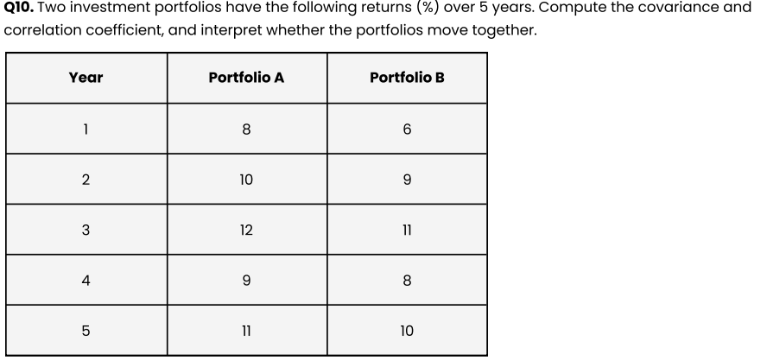
Ques 10-

Sol- | Step 1: Calculate means

 |  |  | A bar = | 8+10+12+9+11/5 = |  | 10

 |  |  | B bar = | 6+9+11+8+10 / 5 = |  | 8.8

 | Step 2: Compute deviations

 | Year | A-A bar | B-B bar | Product
 | 1 | -2 | -2.8 | 5.6
 | 2 | 0 | 0.2 | 0
 | 3 | 2 | 2.2 | 4.4
 | 4 | -1 | -0.8 | 0.8
 | 5 | 1 | 1.2 | 1.2

 |  | Sum of products = 5.6+0+4.4+0.8+1.2 = 12

 | Step 3: Covariance

 |  | Cov(A,B)= | 12/4= | 3

 | Step 4:Calculate Standard deviations

 |  | S of A = | Sqrt(10/4) = | 1.58
 |  | S of B = | Sqrt(14.8/4= | 1.92

 | Step 5: Correlation Coffecient

 |  | r=Cov(A,B)/(S of A)(S of B)

 |  | r= 3/1.58*1.92

 |  | r=0.99

 | The two portfolios move very closely together. When Portfolio's A return increases or decreases, Portfolio B's return almost always moves in the same direction.

